Sheet1
2008 Toyota Rav4 Sport 2.4
DRIVE AXLES, BEARINGS AND JOINTS COMPONENTS/WHEEL BEARING
Your Vehicle: 2008 Toyota Truck RAV4 2WD L4-2.4L (2AZ-FE)

 | Vehicle » Transmission and Drivetrain » Drive Axles, Bearings and Joints » Wheel Bearing » Service and Repair » Installation

 | Installation

AXLE: REAR AXLE HUB AND BEARING: INSTALLATION

INSTALLATION

1. INSTALL REAR AXLE HUB AND BEARING ASSEMBLY LH

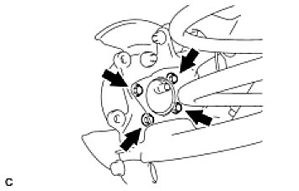

(a) | for 2WD:
 | -1 | Install the axle hub and bearing to the axle carrier with the 4 bolts.
 |  | Torque: 90 Nm (918 kgf-cm, 68 ft-lbf)
 | NOTE: Do not place the hub and bearing's magnet rotor side so that it is facing downward, and do not allow the magnet rotor side to become damaged or contact foreign matter.
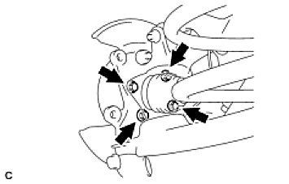

(b) | fro 4WD:
 | -1 | Align the shaft splines and drive in the drive shaft to the axle hub and bearing.
 | -2 | Install the axle hub and bearing assembly to the axle carrier with the 4 bolts.
 |  | Torque: 90 Nm (918 kgf-cm, 68 ft-lbf)
 | NOTE: Do not place the hub and bearing's magnet rotor side so that it is facing downward, and do not allow the magnet rotor side to become damaged or contact foreign matter.

2. CONNECT REAR SHOCK ABSORBER ASSEMBLY LH

(a) | Install the shock absorber to the axle carrier with bracket with the 2 bolts.

3. TEMPORARILY INSTALL REAR SUSPENSION NO. 1 ARM ASSEMBLY LH See: Steering and Suspension\Suspension\Control Arm\Service and Repair\Rear No. 1 Suspension Arm\Installation
4. INSTALL SKID CONTROL SENSOR WIRE (for 2WD) See: Brakes and Traction Control\Antilock Brakes / Traction Control Systems\Wheel Speed Sensor\Service and Repair\Skid Control Sensor\Installation
5. INSTALL REAR SPEED SENSOR LH (for 4WD)
6. INSTALL REAR DISC See: Brakes and Traction Control\Disc Brake System\Service and Repair\Rear Brake\Reassembly
7. INSTALL REAR BRAKE CYLINDER ASSEMBLY LH See: Brakes and Traction Control\Disc Brake System\Service and Repair\Rear Brake\Installation

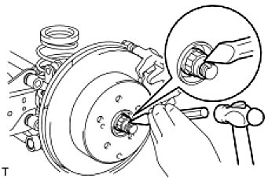

8. INSTALL REAR AXLE SHAFT NUT (for 4WD)

(a) | Clean the threaded parts on the rear drive shaft assembly and rear axle shaft nut using a non-residue solvent.
 | NOTICE:

Be sure to perform this work for a new rear drive shaft assembly.
Keep the threaded parts free of oil and foreign objects.

(b) | Install a new hub nut.
Torque: 216 Nm (2,203 kgf-cm, 159 ft-lbf)
(c) | Using a chisel and hammer, stake the hub nut.

9. INSTALL REAR WHEEL

Torque: 103 Nm (1,050 kgf-cm, 76 ft-lbf)

10. STABILIZE SUSPENSION See: Steering and Suspension\Suspension\Suspension Strut / Shock Absorber\Service and Repair\Rear Shock Absorber\Installation
11. TIGHTEN FRONT SHOCK ABSORBER ASSEMBLY LH See: Steering and Suspension\Suspension\Suspension Strut / Shock Absorber\Service and Repair\Rear Shock Absorber\Installation
12. TIGHTEN REAR SUSPENSION NO. 1 ARM ASSEMBLY LH See: Steering and Suspension\Suspension\Control Arm\Service and Repair\Rear No. 1 Suspension Arm\Installation
13. INSPECT REAR WHEEL ALIGNMENT

(a) | Inspect the rear wheel alignment See: Maintenance\Alignment\Service and Repair.

14. CONNECT CABLE TO NEGATIVE BATTERY TERMINAL
15. CHECK SPEED SENSOR SIGNAL

(a) | Check the speed sensor signal See: Brakes and Traction Control\Antilock Brakes / Traction Control Systems\Testing and Inspection\Initial Inspection and Diagnostic Overview\Diagnosis System.

